25-26 Self Audit Form
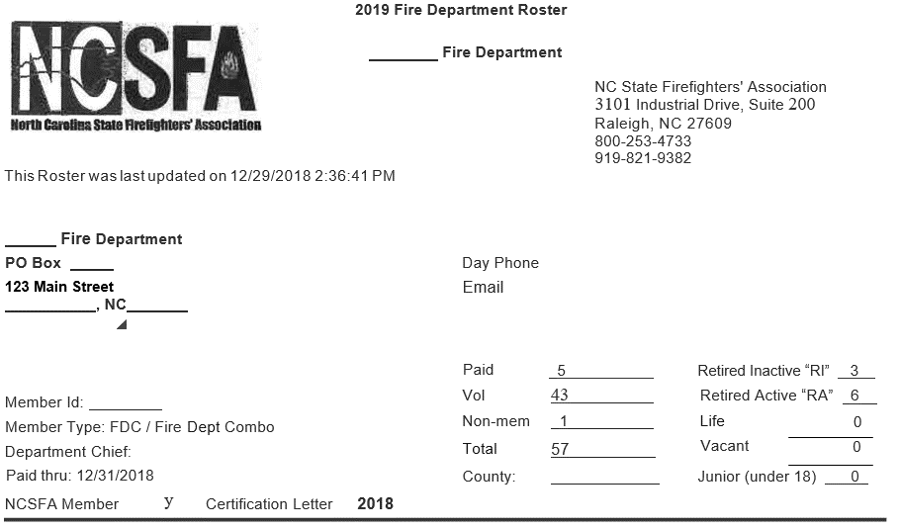
Workers Compensation Summary 25-26 |  |  |  |  | Enter data and payroll information only in the light green shaded cells.
 | Insured:
 | Address:
 | City/Zip:
 | Contact/Title:
 | Telephone:
 | Fax:
 | E-Mail:
 | Software Company:
 | FEIN:
 | Date:
1. Volunteer Fire: Email us a copy of your NCSFA Fire Roster; if applicable
2. Auxiliary Police: We need a list of names for Aux Police; if applicable
3. Inmates: Please email us a copy of the contract and fill out the inmate tab; if applicable
4. Please email us a copy of your WC Report, Gross Wage Report, Pay by Type Report
5. Please email us a copy of your ESC Reports and 941 Reports
6. Please email us an Employee Roster Listing Dept, Job Title, and WC Code or fill in the Emply Roster Tab
Does your entity use outside contractors? If so please fill out the Contract Labor Tab. |  |  |  |  |  |  |  | Example Only |  |  | Example Only
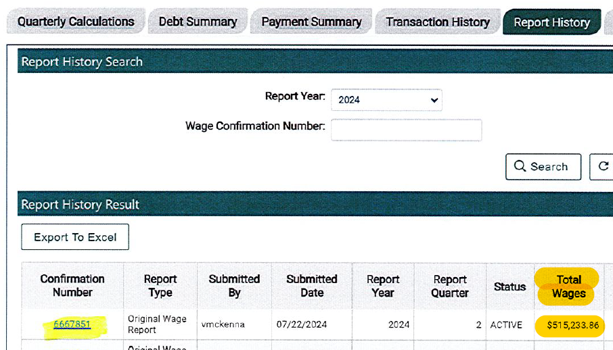
Are all contractors required to carry WC Ins.? If not, have the contractor fill in the Contractor vs. Emply Checklist

 |  |  | W/ C VERIFICATION
 |  | GROSS | ESC | 941's
 |  | WAGES | Total Wages | #5C (Column 1)
2025 | 3RD QUARTER
2025 | 4TH QUARTER
2026 | 1ST QUARTER
2026 | 2ND QUARTER
Gross Payroll-will xfer from Pg 2 Col I |  | -
Adjust Board |  | -
Adjust Volunteer Firefighters |  | -
Adjust Auxiliary Police |  | -
Adjust Inmates |  | -
Less Overtime Premium (1/2 time) |  | -
Less Car, Uniform, Cell, Military, LEO Separation Allowance |  | - |  |  |  |  |  |  |  |  |  | Example Only
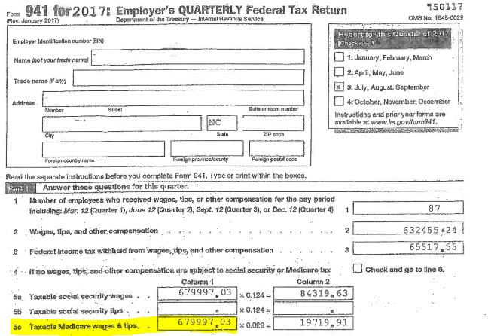
Total |  | - | - | -
Total from Page 2 |  | -
Total from Page 3 |  | -

Insured: | - | Gross Wages | Overtime | Allowances | Adjust | Net | # F/T | P/T &
Per WC & Gross Wage/Pay by Type by Emply Report |  | All Employees | @ 1 1/2 | Cell/Auto/LEO | BOD/VFF | WC Pay | Emplys | Seasonal
 |  | Active/Inactive |  | Uniform/Military | Inmates |  | & BOD | Emplys
(Use paid dates for reports 7/1/25-6/30/26) |  | All Pay Types |  | Enter Postive # | Aux Police |  | VFF/Aux P.
WC Code
5506 | Street Const: Paving, Curbing & Repair |  |  |  |  | - |  |  | 5506 | Street Construction: Paving, Repairing, Curbing
7380 | Drivers: (Ex.-Library, ABC Stores) |  |  |  |  | - |  |  | 7380 | Drivers: Example-Library, ABC Stores
7423 | Airport Operations |  |  |  |  | - |  |  | 7423 | Airport Operations
7520 | Water (WTP) Oper.-Line Maint. |  |  |  |  | - |  |  | 7520 | Water Treatment Plant Oper./Line Maint.
7539 | Electric Light & Power Company |  |  |  |  | - |  |  | 7539 | Electric Light & Power Company
7580 | Sewer (WWTP) Oper. -Line Maint. |  |  |  |  | - |  |  | 7580 | Sewer Disposal Operations and Line Maint.
7581 | W &S Combined Oper./Line Maint. |  |  |  |  | - |  |  | 7581 | Water & Sewer Combined Oper./Line Maint.
7701 | Public Safety-trained in fire and police |  |  |  |  | - |  |  | 7701 | Public Safety-trained in fire and police
7704 | Paid/Career Firefighters-FT & PT | - |  |  |  | - |  |  | 7704 | Paid/Career Firefighters-FT & PT (Enter here or on firefighter Tab)
7705 | Volunteer Firefighters | - |  |  | - | - | - |  | 7705 | Volunteer Firefighters (for the spreadsheet to work; you must type in each VFF pay (Amount) using the schedule on the Firefighters Tab
7720 | Police Officers - include LEO |  |  |  |  | - |  |  | 7720 | Police Officers - include LEO in gross wages in Column I and also K
7721 | Auxiliary Police Officers |  |  |  | - | - |  |  | 7721 | Auxiliary Police Officers-just enter the number of (unpaid only) aux police officer in column "G" and the spreadsheet will fill in the correct amount |  |  | Aux Police-we include a flat amount of $600 per officer.
8017 | Store: (Example - ABC Store) |  |  |  |  | - |  |  | 8017 | Store: Example - ABC Store |  |  | Type in the number of aux police below and the calculation fills in a dollar amount.
8380 | Garage |  |  |  |  | - |  |  | 8380 | Garage
8742 | Salespersons - (Primarily used in COG's) |  |  |  |  | - |  |  | 8742 | Salespersons - to be used only in Council of Governments
8810 | Clerical |  |  |  |  | - |  |  | 8810 | Clerical
8820 | Attorney |  |  |  |  | - |  |  | 8820 | Attorney
9015 | Buildings: Maintenance, Janitorial |  |  |  |  | - |  |  | 9015 | Buildings: Maintenance, Janitorial
9033 | Housing Authority & Clerical |  |  |  |  | - |  |  | 9033 | Housing Authority & Clerical
9060 | Golf Course |  |  |  |  | - |  |  | 9060 | Golf Course
9061 | Senior Citizen Club/Center |  |  |  |  | - |  |  | 9061 | Senior Citizen Club/Center
9102 | Parks and Rec-includes mowing of grass |  |  |  |  | - |  |  | 9102 | Parks and Rec-includes mowing of grass
9154 | Theater |  |  |  |  | - |  |  | 9154 | Theater
9220 | Cemetery-digging graves with backhoe |  |  |  |  | - |  |  | 9220 | Cemetery-digging graves with backhoe
9402 | Streets & Mainline/Storm Sewer Cleaning |  |  |  |  | - |  |  | 9402 | Street Cleaning & Mainline & Storm Sewer Cleaning
9403 | Garbage & Bulk Collection (Sanitation) |  |  |  |  | - |  |  | 9403 | Garbage & Bulk Collection (Sanitation)
9410 | Municipal NOC |  |  |  |  | - |  |  | 9410 | Municipal Emplys: Example Zoning/Code Compliance Off./Bldg Insp/Planner
9554 | Sign Installation |  |  |  |  | - |  |  | 9554 | Sign Installation
9990 | City Manager: office duties only |  |  |  |  | - |  |  | 9990 | City Manager: office duties only
9991 | City Manager: office plus o/s duties |  |  |  |  | - |  |  | 9991 | City Manager: office plus o/s duties: Code Enf/Zoning Officer/Bldg Inspections
9993 | Inmates-see Inmate Tab |  |  |  | - | - |  |  | 9993 | Inmates-must enter monthly invoices-see Inmate Tab
9994 | BOD Members-Non Municipal & COG's |  |  |  | - | - |  |  | 9994 | BOD Members-enter the # of BOD Members (Non-Municipal and COG's only) Appointed BOD Members are covered if endorsed onto your policy. Enter the number of appointed BOD members and the spreadsheet will calculate it for you.
9996 | Mayor and Council - Municipal |  |  |  | - | - |  |  | 9996 | Mayor and Council-enter the # of BOD Members (Municipal) Elected officials for cities or towns are included at a flat amount of $5,000. Enter the number of officials and the spreadsheet will calculate it for you.
XXXX | Planning/Telephone/Historical BOD |  |  |  | - | - |  |  | XXXX | Planning/Telephone/Historical BOD-not covered (Place wages in Col I & L)
 |  | - | - | - | - | - | - | -
 |  |  |  |  |  | -

 | INSURED: | - |  |  |  | <---the employee count and payroll will transfer from the spreadsheet above.
W/C Code | Billing Summary |  | F/T | Net Payroll |  | Full time employees are shown for the purpose of our Reinurance company only.
5506 | Street Const: Paving, Curbing & Repair |  | 0 | -
7380 | Drivers: Example-Library, ABC Stores |  | 0 | -
7423 | Airport Operations |  | 0 | -
7520 | Water Treatment Plant Operations/Line Maint. |  | 0 | -
7539 | Electric Light & Power Company |  | 0 | -
7580 | Sewer Disposal Operations and Line Maint. |  | 0 | -
7581 | Water & Sewer Combined Operations/Line Maint. |  | 0 | -
7701 | Public Safety-trained in fire and police |  | 0 | -
7704 | Paid/Career Firefighters-FT & PT |  | 0 | -
7705 | Volunteer Firefighters |  | 0 | -
7720 | Police Officers |  | 0 | -
7721 | Auxiliary Police Officers |  | 0 | -
8017 | Store |  | 0 | -
8380 | Garage |  | 0 | -
8742 | Salespersons - to be used only in Council of Governments |  | 0 | -
8810 | Clerical |  | 0 | -
8820 | Attorney |  | 0 | -
9015 | Buildings: Maintenance, Janitorial |  | 0 | -
9033 | Housing Authority & Clerical |  | 0 | -
9060 | Golf Course |  | 0 | -
9061 | Senior Citizen Club/Center |  | 0 | -
9102 | Parks and Recreation-includes mowing of grass |  | 0 | -
9154 | Theater |  | 0 | -
9220 | Cemetery-digging graves with backhoe |  | 0 | -
9402 | Street Cleaning and Mainline & Storm Sewer Cleaning |  | 0 | -
9403 | Garbage & Bulk Collection (Sanitation) |  | 0 | -
9410 | Municipal Employees (not otherwise classified) |  | 0 | -
9554 | Sign Installation |  | 0 | -
9990 | City Manager: office duties only |  | 0 | -
9991 | City Manager: office plus o/s duties: Code Enf/Zoning |  | 0 | -
9993 | Inmates |  | 0 | -
9994 | Board Members |  | 0 | -
9996 | Mayor and Council |  | 0 | -
Total: |  |  | 0 | -

